GHN MALA eksplozijska
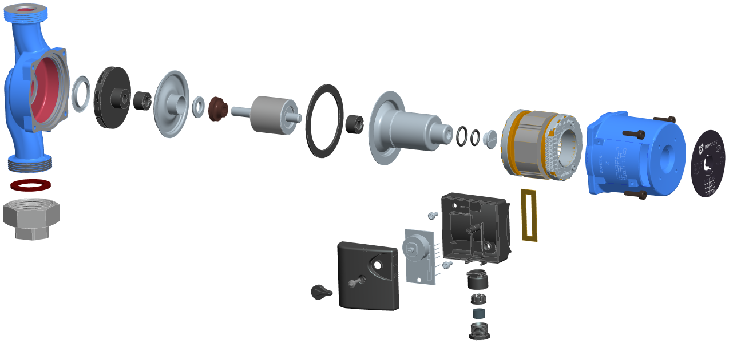
1
3
2
5
4
6
7
9
8
4
11
10
12
13
14
15
16
17

18

29
19
 |  |  |  |  |  |  | GHN SMALL

30
20
21
24

22
25
26
23
27
28

GHN SMALL PUMP

 | 1 | PUMP CASING | 11 | O-RING | 21 | ELECTRIC BOX COVER
 | 2 | INLET RING | 12 | O-RING | 22 | SCREW
 | 3 | IMPELLER | 13 | VENT SCREW | 23 | SWITCH BUTTON
 | 4 | RADIAL BEARING | 14 | STATOR | 24 | GASKET
 | 5 | HYDRAULIC WALL | 15 | ELECTROMOTOR CASING | 25 | REMOWABLE CABLE GLAND
 | 6 | AXIAL BEARING | 16 | SCREW | 26 | CLAW
 | 7 | AXIAL BEARING MOUNT | 17 | DECLARATION PLATE | 27 | GLAND GASKET
 | 8 | ROTOR | 18 | ELECTRIC BOX HOUSING | 28 | CABLE GLAND CAP
 | 9 | GASKET | 19 | SCREW | 29 | GASKET
 | 10 | HYDRAULIC BUSH | 20 | PRINTED CIRCUIT BOARD (SPEED SELECTOR) | 30 | PIPE UNION

